Sheet1
 |  | Document No. | Issue No. |  | Issue Date |  | Review and Replace Date |  |  | Authorised By
 |  | GFF0156MC | 1 |  | 30.01.2020 |  | New Issue |  |  | Magda Shah
 |  | Document Title | THAI GREEN CHICKEN CURRY with BLACK RICE 460g
Document amendments reason for change |  | New product launch |  | Page 1 of 1 |  | Previous Issue Date |  | New Issue |  | Uncontrolled copy unless signed original

FCTGBR-R8TMC | MINDFUL CHEF |  | THAI GREEN CHICKEN CURRY with BLACK RICE 460G | FROZEN
STEP 1 |  |  | STEP 3 |  |  |  |  |  | STEP 4
 |  |  | 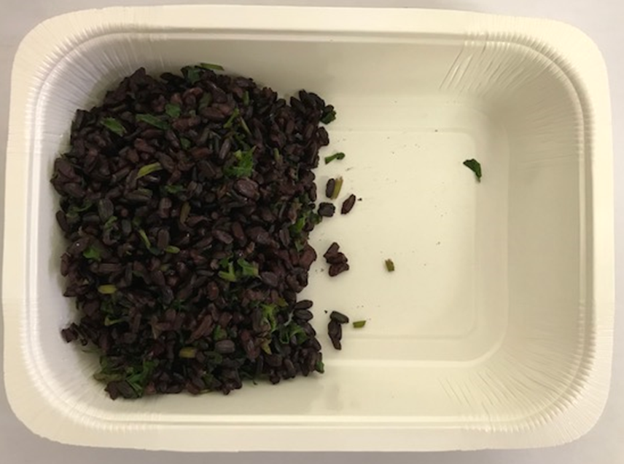 |  |  |  |  |  | 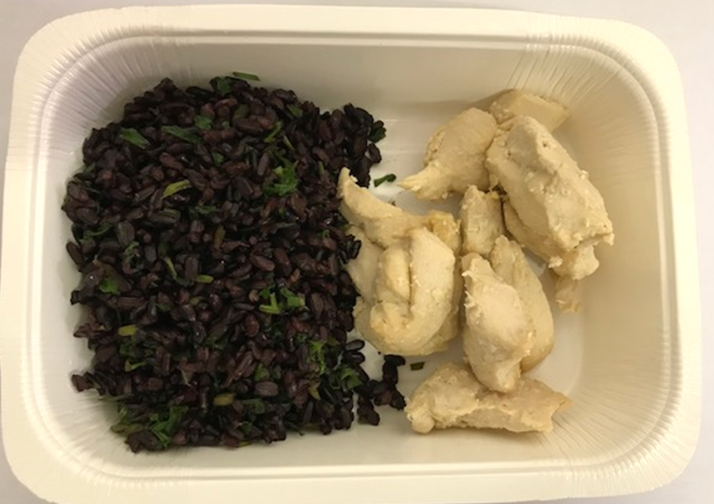

Tray: WHITE OVENABLE BOARD TRAY (PKSOU002-01) |  |  | BLACK RICE (GFF238R): 110g |  |  |  |  |  | MARINATED CHICKEN (PANANG) (GFF237R) 100g
Film: 145 X 100 X 250 (PKWRA001-07)
STEP 5 |  |  | STEP 6 |  |  |  |  |  | STEP 7
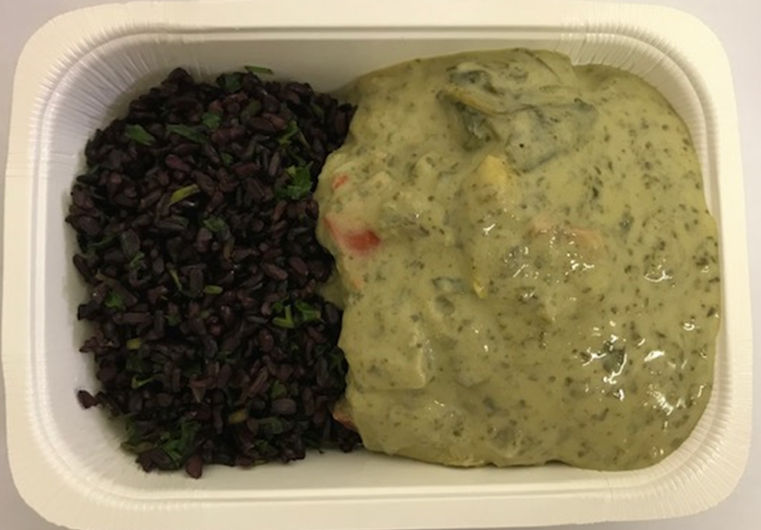 |  |  | 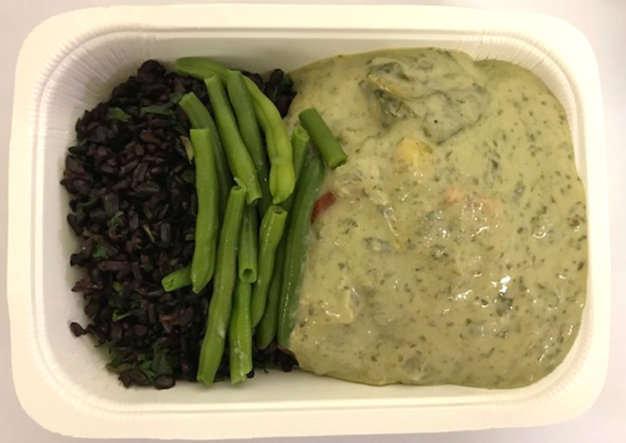 |  |  |  |  |  | 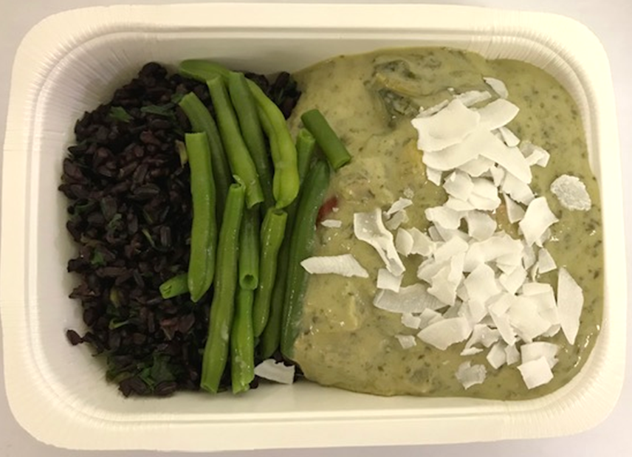

THAI GREEN CURRY SAUCE (GFF293R) 215g |  |  | STEAMED GREEN BEANS (GFF294R) 30g |  |  |  |  |  | COCONUT CHIPS (RMKLU001-05) 5g |  | TOTAL WEIGHT: 460g

ALLERGY ALERT: SOYA

